FP Details
 |  |  |  |  |  | Please Fill Up The Yellow Highlighted Cells Only
 |  |  |  |  |  |  |  |  |  |  | Goals |  |  |  | ↓ Office use only
Client Profile | Name | Occupation | Age | Financial Status | Titles | Income | Self | Spouse | Total |  | Retirement |  | Yearly Expense If Retired Today | Goal specific notes, assumptions, etc | Inflation Assumed
Plan Owner | Rajat Mahajan | Service | 36 | Financially Independent | Mr. | In hand salary per month | ₹720,000 | ₹0 | ₹720,000 |  | Retirement Age | 45 | ₹1,800,000 |  | %
Spouse | Isha Gupta |  | 36 | Financially Independent | Mrs. | RSU / Stock Option | ₹0 | ₹0 | ₹0 |  | Life Expectancy | 90
Kid-1 | Ayansh Mahajan |  | 8 | Financially Dependent | Ms. | NPS Contribution (self + employer) | ₹0 | ₹0 | ₹0
Kid-2 |  |  | 0 | < Select > |  | EPF contribution (self + employer) | ₹86,000 | ₹0 | ₹86,000 |  | Children's Education | Years in hand to achieve goal | Amount Required As Of Today | Goal specific notes, assumptions, etc | Inflation Assumed
Kid-3 |  | Class: | 0 | < Select > | < Select > | ESPP | ₹0 | ₹0 | ₹0 |  | 1st Kid's Graduation | 8 | ₹3,500,000 |  | %
Father |  |  | 0 | < Select > | < Select > | Rental Income | ₹24,000 | ₹0 | ₹24,000 |  | 1st Kid's PG | 12 | ₹3,500,000 |  | %
Mother |  |  | 0 | < Select > | < Select > | Any other income per month | ₹0 | ₹0 | ₹0 |  | 2nd Kid's Graduation | 0 |  |  | %
Residential Status: | Resident Indian | City or Country → | Bengaluru |  |  | Total | ₹830,000 | ₹0 | ₹830,000 |  | 2nd Kid's PG | 0 | ₹0 |  | %
 |  |  |  |  |  | Bonus per year | ₹1,000,000 | ₹0 | ₹1,000,000 |  | 3rd Kid's Graduation | 0 | ₹0 |  | %
 |  |  |  | ↓ Office Use Only |  | Expected Income Growth | 7% | 0% | 7.00% | ←Average | 3rd Kid's PG | 0 | ₹0 |  | %
Assets (including spouse) | Comments | Current Value | Allocation | Current Value
Stock Portfolio |  |  | 0.0% | ₹0 |  | Expenses | Self | Spouse | Total |  | Children's Marriage | Years in hand to achieve goal | Amount Required As Of Today | Goal specific notes, assumptions, etc | Inflation Assumed
Stock ESOPs / RSUs |  |  | 0.0% | ₹0 |  | Monthly Household Expenses | ₹120,000 | ₹0 | ₹120,000 |  | 1st Kid | 11 | ₹5,000,000 |  | %
Mutual Fund - Equity |  | ₹35,000,000 | 38.3% | ₹35,000,000 |  | Travel Expenses | ₹25,000 | ₹0 | ₹25,000 |  | 2nd Kid | 11 |  |  | %
Mutual Fund - Hybrid |  |  | 0.0% | ₹0 |  | Monthly EMIs | ₹215,000 | ₹0 | ₹215,000 |  | 3rd Kid | 0 | ₹0 |  | %
NPS |  |  | 0.0% | ₹0 |  | Any Other Expenses | ₹0 | ₹0 | ₹0
Mutual Fund - Debt |  |  | 0.0% | ₹0 |  | Total Monthly Expenses | ₹360,000 | ₹0 | ₹360,000 |  | House | Years in hand to achieve goal | Amount Required As Of Today | Goal specific notes, assumptions, etc | Inflation Assumed
EPF |  | ₹5,000,000 | 5.5% | ₹5,000,000 |  |  |  |  |  |  |  | 10 | ₹0 |  | %
PPF |  |  | 0.0% | ₹0 |  | Insurance | Self | Spouse
Fixed Deposits |  |  | 0.0% | ₹0 |  | Life Insurance Cover | ₹0 | ₹0 |  |  | Car | Years in hand to achieve goal | Amount Required As Of Today | Goal specific notes, assumptions, etc | Inflation Assumed
SSY |  |  | 0.0% | ₹0 |  | Health Insurance Cover | ₹2,000,000 | ₹0 |  |  | Vehicle Replacement 1 | 10 | ₹0 |  | %
Savings A/c Balance |  | ₹1,000,000 | 1.1% | ₹1,000,000 |  | Health Insurance- For the whole family? | Yes | Yes/No |  |  | Vehicle Replacement 2 | 15 | ₹0 |  | %
Gold |  | ₹3,000,000 | 3.3% | ₹3,000,000 |  | Health Insurance- Parents insured? | Yes | Yes/No |  |  | Vehicle Replacement 3 | 0 | ₹0 |  | %
SGBs |  |  | 0.0% | ₹0
Plot - Real Estate |  |  | 0.0% | ₹0 |  | Pension | Self | Spouse |  |  | Holiday / Vacation | Years in hand to achieve goal | Amount Required As Of Today | Goal specific notes, assumptions, etc | Inflation Assumed
Flat - Real Estate |  | ₹0 | 0.0% | ₹0 |  | Are you a govt employee? | No | No |  |  |  | 0 | ₹0 |  | %
Any Other Asset 1 |  | ₹42,000,000 | 45.9% | ₹42,000,000 | Home | Eligible for pension? | No | No |  |  | Is it a recurring Goal? | Yes | If Yes, Frequency in years → | 1
Any Other Asset 2 |  | ₹5,500,000 | 6.0% | ₹5,500,000 | Studio Apt | Any other pension source | No | No
Any Other Asset 3 |  |  | 0.0% | ₹0 |  | Approximate amount? | ₹0 | ₹0 |  |  | Parents Support Goal | Years in hand to achieve goal | Amount Required As Of Today | Goal specific notes, assumptions, etc | Inflation Assumed
Total |  | ₹91,500,000 | 100.00% | ₹91,500,000 |  |  |  |  |  |  |  | 0 | ₹0 |  | %
 |  |  |  |  |  | RSUs | Self | Spouse | Total
Liabilities | Tenure Left (Years) | Outstanding Amount | Interest Rate | EMI |  | Vested | ₹0 | ₹0 | ₹0 |  | Any Other Goal 1 | Years in hand to achieve goal | Amount Required As Of Today | Goal specific notes, assumptions, etc | Inflation Assumed
Home Loan | 25 | ₹30,000,000 | 7.35% | ₹0 |  | Not Vested | ₹0 | ₹0 | ₹0 |  |  | 12 | ₹0 |  | %
Car Loan | 0 | ₹0 | 0.00% | ₹0 |  | Vesting Duration (in years) | 0.00 Years | 0.00 Years
Personal Loan | 0 | ₹0 | 0.00% | ₹0 |  |  |  |  |  |  | Any Other Goal 2 | Years in hand to achieve goal | Amount Required As Of Today | Goal specific notes, assumptions, etc | Inflation Assumed
Any Other Liability 1 | 0 |  | 0.00% | ₹0 |  |  |  |  |  |  |  | 12 | ₹0 |  | %
Any Other Liability 2 | 0 | ₹0 | 0.00% | ₹0
Any Other Liability 3 | 0 | ₹0 | 0.00% | ₹0 |  |  |  |  |  |  | Any Other Goal 3 | Years in hand to achieve goal | Amount Required As Of Today | Goal specific notes, assumptions, etc | Inflation Assumed
Total |  | ₹30,000,000 |  | ₹0 |  |  |  |  |  |  |  | 0 | ₹0 |  | %

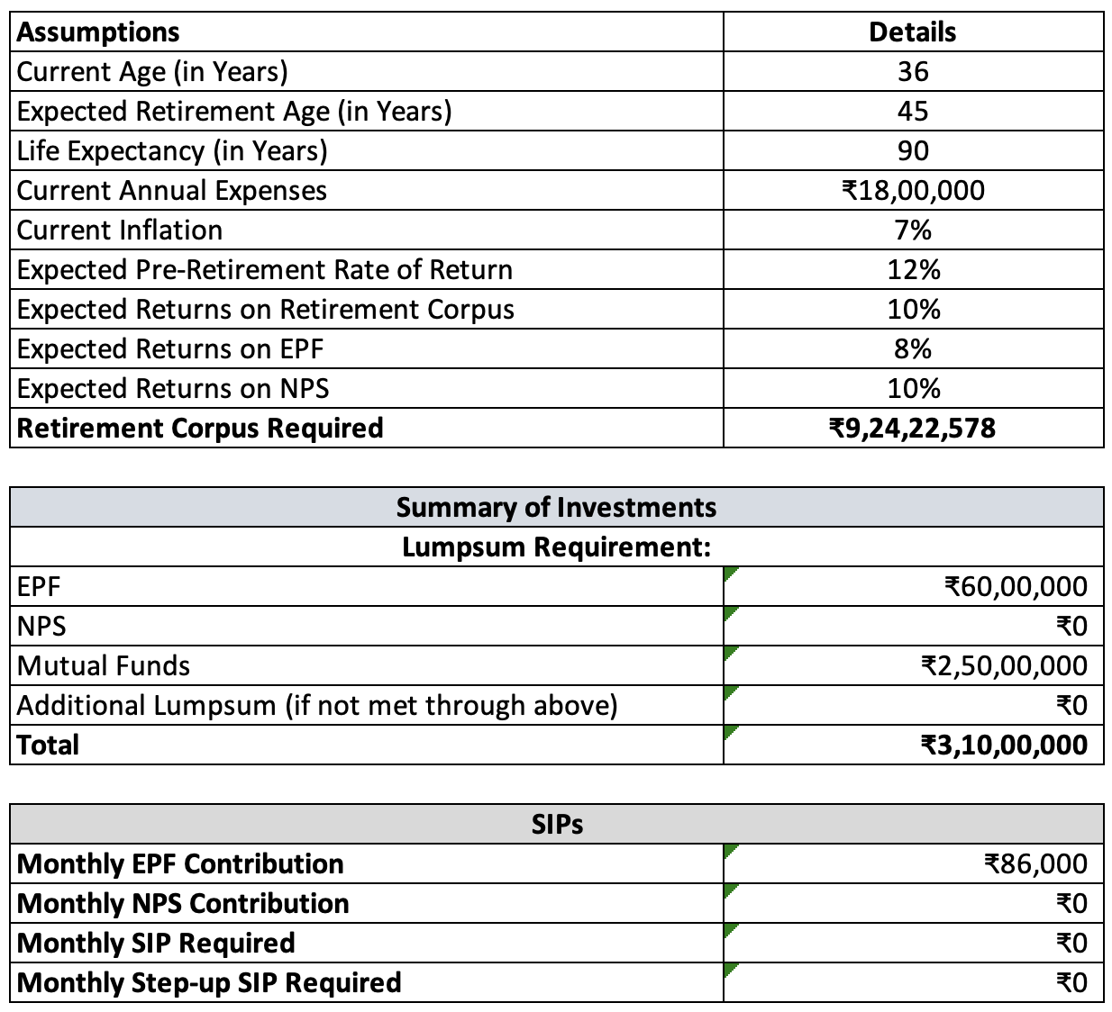
Goal | Tagged | SIP needed | Comments | Retirement Calculations
Retirement | 2.5 Cr - MF, EPF | Only EPF contri | Re-align Funds. Continue EPF
Child Edu | 50L - MF | No | Re-align Funds
Child Marriage | 30L. - MF | No | Re-algin Funds
Emergency Fund | 10L - Savings | No | Increase to 20L.
Real Estate | Home - 4.2 Cr | EMI going on | Keep home, sell rest
Payment of Home - about 50L | Sell Bengaluru Studio Apt | No | Sell Studio.
Extra Wealth | Current Gold | All Extra Savings | Invest as below

Asset Allocation | %age - Target after 5 years | SIP
Domestic Equity - MF & Stocks | 50% | 250000
Debt | 10% | EPF
Real Estate | 25% | No. Allocation higher than required
Gold - SBI Gold Fund | 10% | 70000
Intl Equity - DSP Global Equity Fund | 5% | 35000

Suggested MF | %age allocatipn
Parag Parikh Flexicap Fund | 25%
HDFC Small Cap Fund | 15%
ICICI Pru Large & Midcap Fund | 15%
Kotak Multicap Fund | 20%
Nippon India Growth Midcap Fund | 15%
Stocks | 10%

Important -
Do not buy any more Real Estate as of now

